NOTE
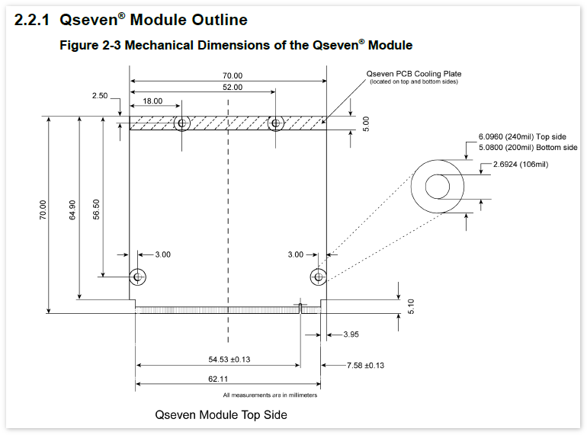
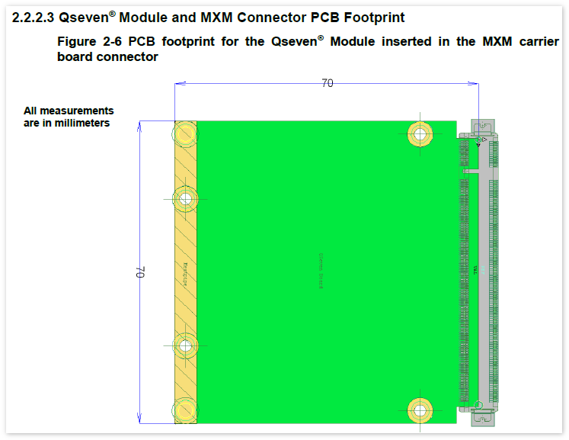
Release date:2014/6/23
Module version:EQM-BYT RevA1
Chipset Design Guide:512379_512379_Atom_E3800_PDG_rev2p31.pdf
Q7 Design Guide1:Qseven-Spec_2.0

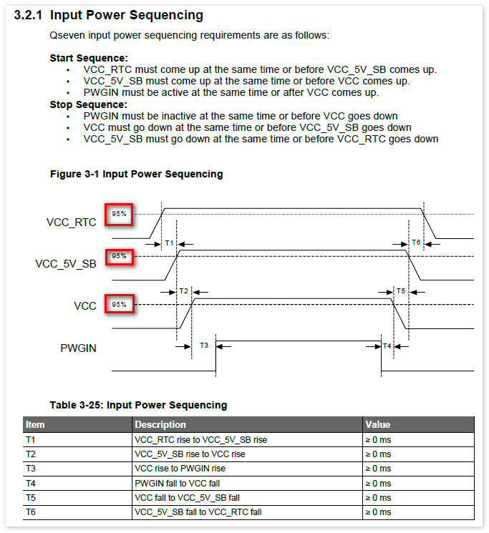

Q7 Design Guide2:Qseven® Design Guide 1.0 (Release Candidate)

