LAN
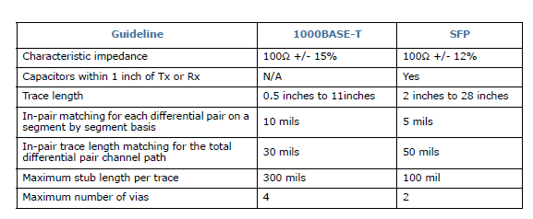
LAN Design Guidelines
Q7 connector Pin Name | EQM-APL REV:A1.1 Signal Name | Chipset Design Guide Trace Length limit | EQM-APL REV:A1.1 Trace Length | Carrier Board Trace Length limi | Trace Length(mil) | Mismatch | Via | Mismatch limit | Via limit | Impedances | Space with other signals(mils)
GBE_MDI0+ | LAN1_MDI0P | 11000 | 945.94 | 10054.06 |  | Target |  | Difference signal is +/-10mil, Total is < 30 mil | 2 | Zdiff=100ohm | 20
GBE_MDI0- | LAN1_MDI0N | 11000 | 946.74 | 10053.26 |  | 0.00
GBE_MDI1+ | LAN1_MDI1P | 11000 | 945.36 | 10054.64 |  | 0.00
GBE_MDI1- | LAN1_MDI1N | 11000 | 945.86 | 10054.14 |  | 0.00
GBE_MDI2+ | LAN1_MDI2P | 11000 | 945.09 | 10054.91 |  | 0.00
GBE_MDI2- | LAN1_MDI2N | 11000 | 945.79 | 10054.21 |  | 0.00
GBE_MDI3+ | LAN1_MDI3P | 11000 | 945.44 | 10054.56 |  | 0.00
GBE_MDI3- | LAN1_MDI3N | 11000 | 945.51 | 10054.49 |  | 0.00

NOTE
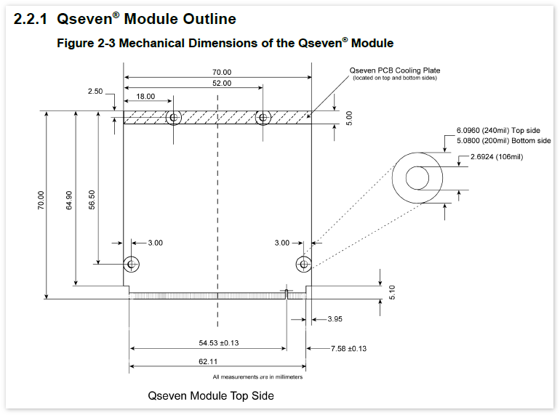
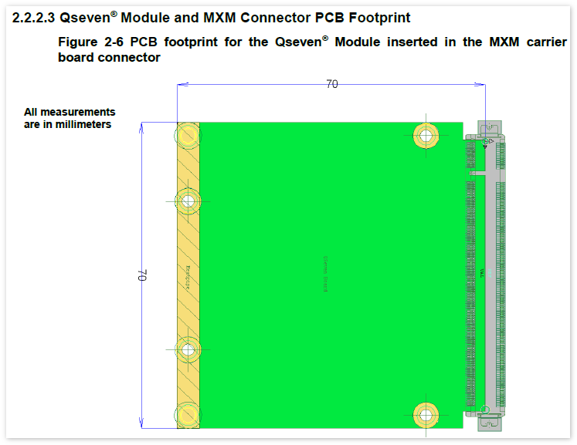
Release date:2018/09/19
Module version:EQM-APL RevA1.1
Chipset Design Guide: 557775_Intel® Pentium® and Celeron®Processor N- and J- Series (Formerly Apollo Lake) Design Guide_Rev2p5.pdf 513305_Intel® Ethernet Controller I210 dual design guide-v-1-1.pdf AN-B014-CH7511B_rev0.96 PCB La y out and De s ign Guide f o r CH7 51 1B eDP/DP to LVDS monitor controller
Q7 Design Guide1:Qseven-Spec_2.1

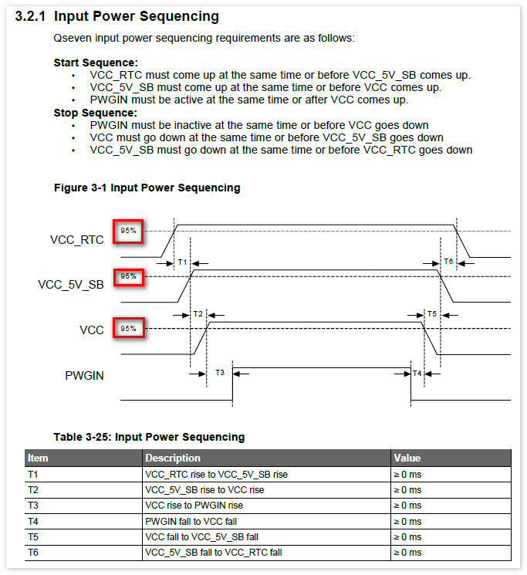

Q7 Design Guide2:Qseven® Design Guide 1.0 (Release Candidate)

